Final view - KPI
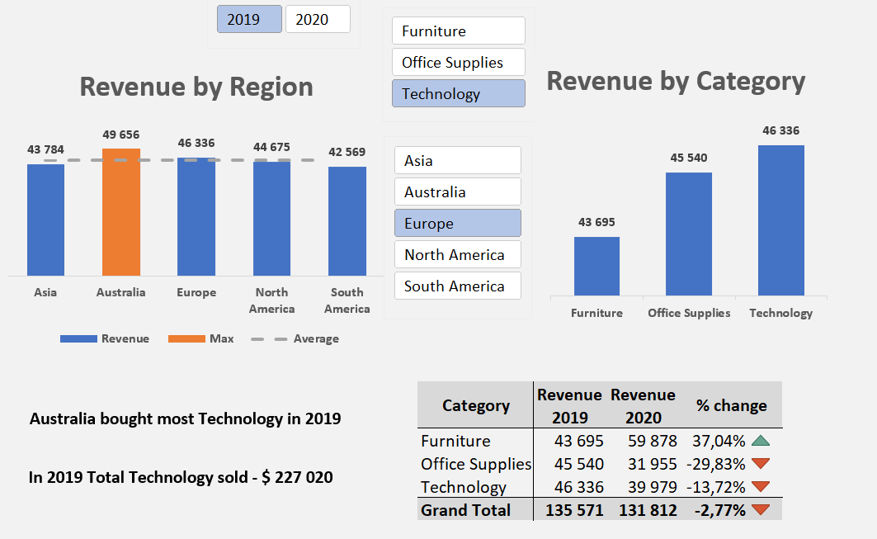

Nümunə

Dashboard
Revenue by Region
 | Total
Asia | 211,293
Australia | 174,663
Europe | 267,383
North America | 249,429
South America | 219,464
Revenue by Category
 | Total
Furniture | 372,900
Office Supplies | 322,418
Technology | 426,914

 | Column Labels
 | 2019 |  | 2020
Row Labels | Sum of Revenue | % cahnge | Sum of Revenue | % cahnge
Furniture | 185,783 |  | 187,117 | 0.72% | 0.72%
Office Supplies | 162,644 |  | 159,774 | -1.76% | -1.76%
Technology | 227,020 |  | 199,894 | -11.95% | -11.95%
Grand Total | 575,447 |  | 546,785 | -4.98% | -4.98%

